Summary
MI PDA - May 2026

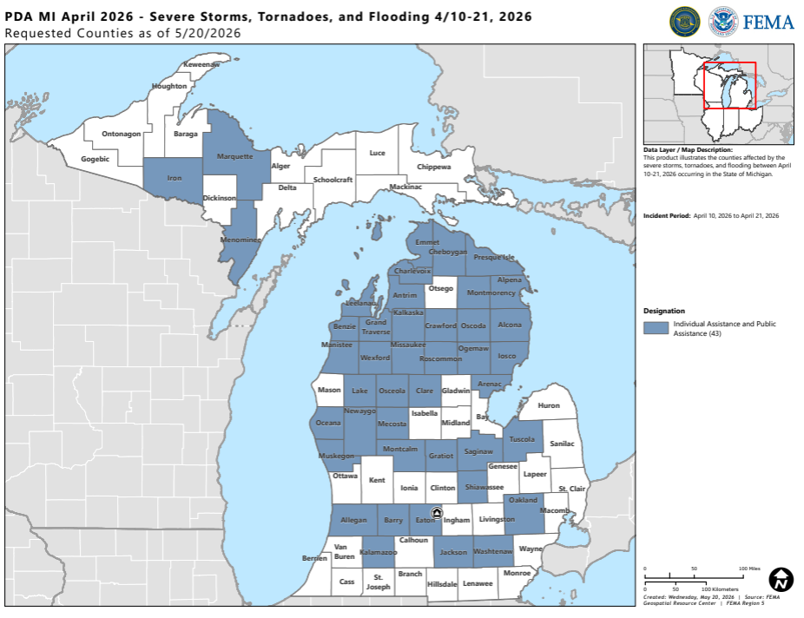
Timeline | Date
Incident Period | April 10 - 21, 2026
PDA Timeline | May 19 - 30, 2026

PDA Stats - Indiana | Total
Applicants | 94 | Map | Map
Counties | 37

Total & State Threshold | Total
PDA Total | $23,494,514
State Threshold | $19,550,022.14

Indicators & Projects | Total
Statewide Indicator | $1.94 | County | Total
Countywide Indicator | $4.86 | Alcona | $449,899
Small Project Minimum | $4,100 | Allegan | $214,396
Large Project Threshold | $1,093,800 | Alpena | $220,764
 |  | Antrim | $48,246
Damage Category | Total | Arenac | $-
Category A | $1,072,897 | Barry | $-
Category B | $6,509,052 | Benzie | $231,687
Category C | $11,206,368 | Charlevoix | $224,758
Category D | $1,113,982 | Cheboygan | $8,462,908
Category E | $158,956 | Clare | $42,981
Category F | $781,898 | Crawford | $67,515
Category G | $2,651,360 | Eaton | $824,477
 |  | Emmet | $278,018
FEMA Team | State Team | Grand Traverse | $2,690,331
Jennie Grobe | Marisela Shellenbarger | Gratiot | $206,181
Katie Warren |  | Iosco | $-
Roopak Hanna |  | Iron | $383,314
Maxwell Novoselac |  | Jackson | $241,438
Charlie Annerino |  | Kalamazoo | $18,537
Caleb Smith |  | Kalkaska | $372,065
Connor Blevins |  | Lake | $137,337
Anessa Jones |  | Leelanau | $5,858
Ja'von Cotton |  | Manistee | $1,952,972
Eric Punzalan |  | Marquette | $400,562
Angela Williams |  | Mecosta | $632,000
Sam Efein |  | Menominee | $403,474
Mike Richards |  | Missaukee | $286,453
Alexis Villasenor |  | Montcalm | $51,964
 |  | Montmorency | $59,981
 |  | Muskegon | $305,468
 |  | Newaygo | $313,685
 |  | Oakland | $-
 |  | Oceana | $-
 |  | Ogemaw | $122,905
 |  | Osceola | $1,257,552
 |  | Oscoda | $90,442
 |  | Presque Isle | $213,370
 |  | Roscommon | $78,573
 |  | Saginaw | $114,849
 |  | Shiawassee | $53,986
 |  | Tuscola | $303,150
 |  | Washtenaw | $-
 |  | Wexford | $2,830,142

